Blinkit Analytics Dashboard
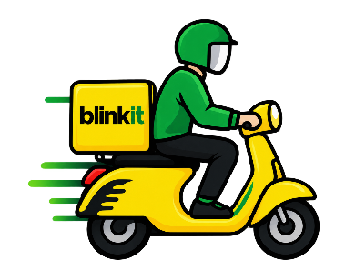
Blinkit
Order Revenue Analysis
 | Total
Jan | 560423.56
Feb | 545090.11
Mar | 816060.81
Apr | 1093099.52
May | 1182377.15
Jun | 1044302.51
Jul | 1140751.89
Aug | 1169666.92
Sep | 1089812.84
Oct | 1116072.77
Nov | 635941.39
Dec | 615709.03
Payment Method Revenue
 | Total
Card | ₹ 2,865,557.53
Cash | ₹ 2,770,463.99
UPI | ₹ 2,658,282.71
Wallet | ₹ 2,715,004.27
Orders by Payment Method
 | Total
Card | 1285
Cash | 1257
UPI | 1214
Wallet | 1244
Marketing ROAS Analysis
 | Total
App | 2.75430131
Email | 2.7488607595
SMS | 2.7101119403
Social Media | 2.7491883842

India"s Last Minute App
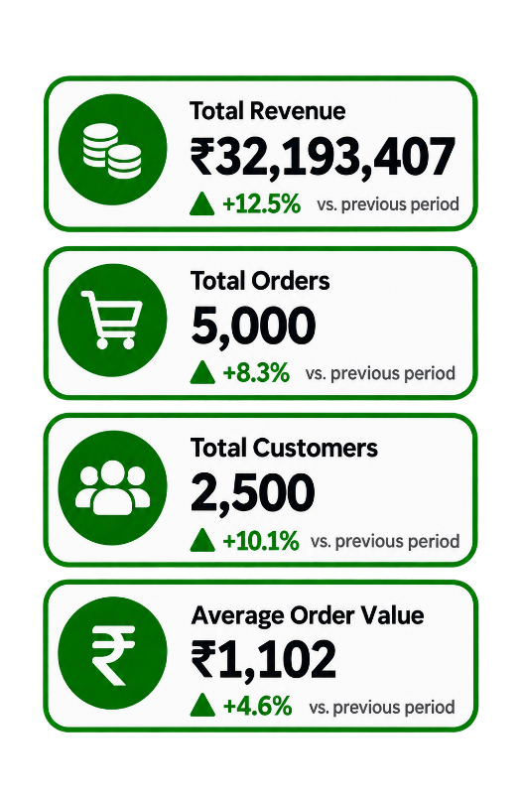

Product Quantity Analysis
 | Total
Baby Wipes | 328
Bread | 270
Cat Food | 307
Cough Syrup | 373
Dish Soap | 397
Lotion | 350
Pet Treats | 473
Pulses | 273
Toilet Cleaner | 430
Vitamins | 380
Orders by Delivery Status
 | Total
On Time | 3470
Significantly Delayed | 493
Slightly Delayed | 1037
Category Average Price Analysis
 | Total
Baby Care | ₹ 516.15
Cold Drinks & Juices | ₹ 500.52
Dairy & Breakfast | ₹ 569.10
Fruits & Vegetables | ₹ 546.54
Grocery & Staples | ₹ 397.36
Household Care | ₹ 403.19
Instant & Frozen Food | ₹ 420.34
Personal Care | ₹ 441.60
Pet Care | ₹ 546.93
Pharmacy | ₹ 599.03
Snacks & Munchies | ₹ 417.11
Customer Segment Order Analysis
 | Series1
Inactive | 5000
New | 5000
Premium | 5000
Regular | 5000

Customer Rating Analysis
 | Total
1 | 540
2 | 538
3 | 1398
4 | 1708
5 | 816
Product Damage Analysis
 | Total
Bread | 34
Cat Food | 34
Detergent | 35
Dish Soap | 46
Lotion | 46
Orange Juice | 33
Pet Treats | 51
Pulses | 47
Toilet Cleaner | 38
Vitamins | 34
Marketing Revenue Analysis
 | Total
App | ₹ 8,075,010.49
Email | ₹ 8,189,331.58
SMS | ₹ 7,938,649.32
Social Media | ₹ 7,990,415.98
Area-wise Order Analysis
 | Total
Bathinda | 17
Deoghar | 17
Ghaziabad | 16
Jalna | 18
Orai | 17
Ratlam | 16

